Warehouse balance
Filters
Balance date (mandatory) | Warehouse | Product | Category

Balance warehouse Results
Warehouse | ProductCode | Product Description | Charge | Store Charge | Balance (Charge - store charge)

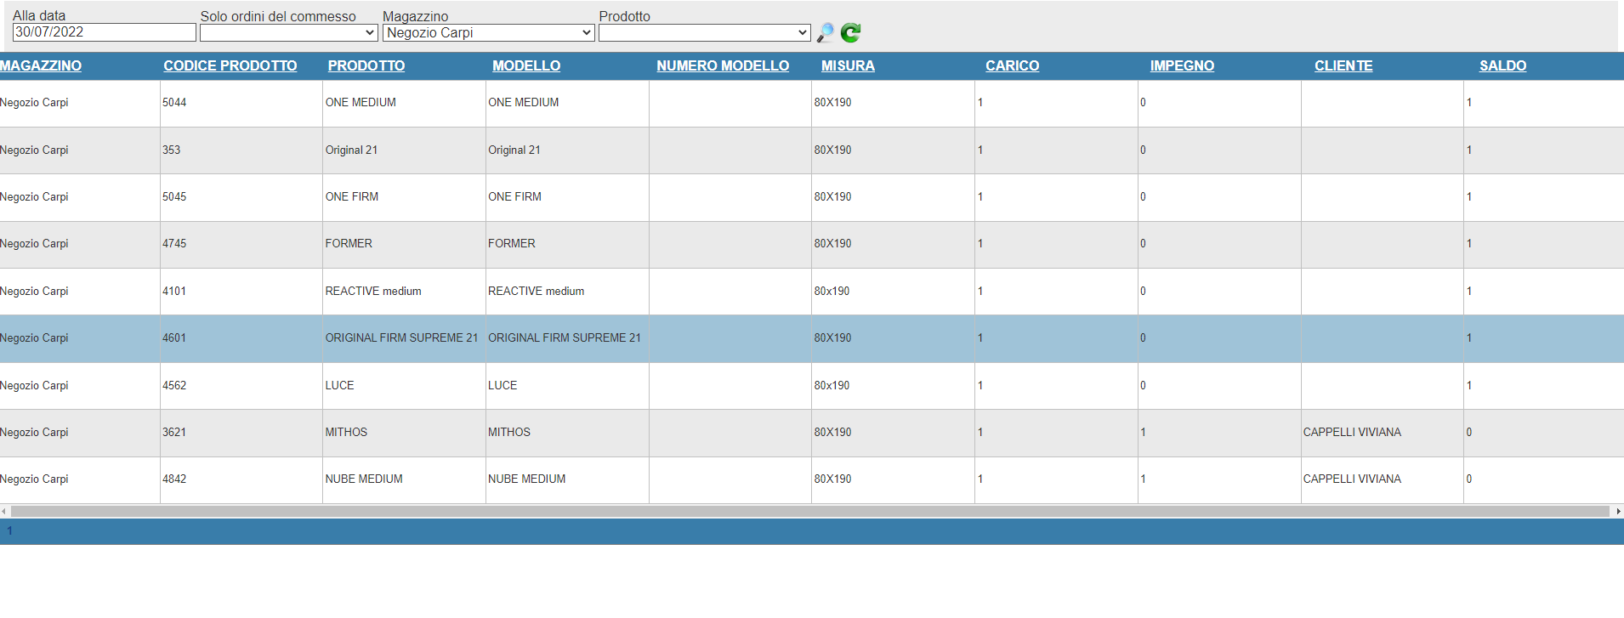

Example of search page that can be exported in Excel, Pdf, csv…

